Cordon Map
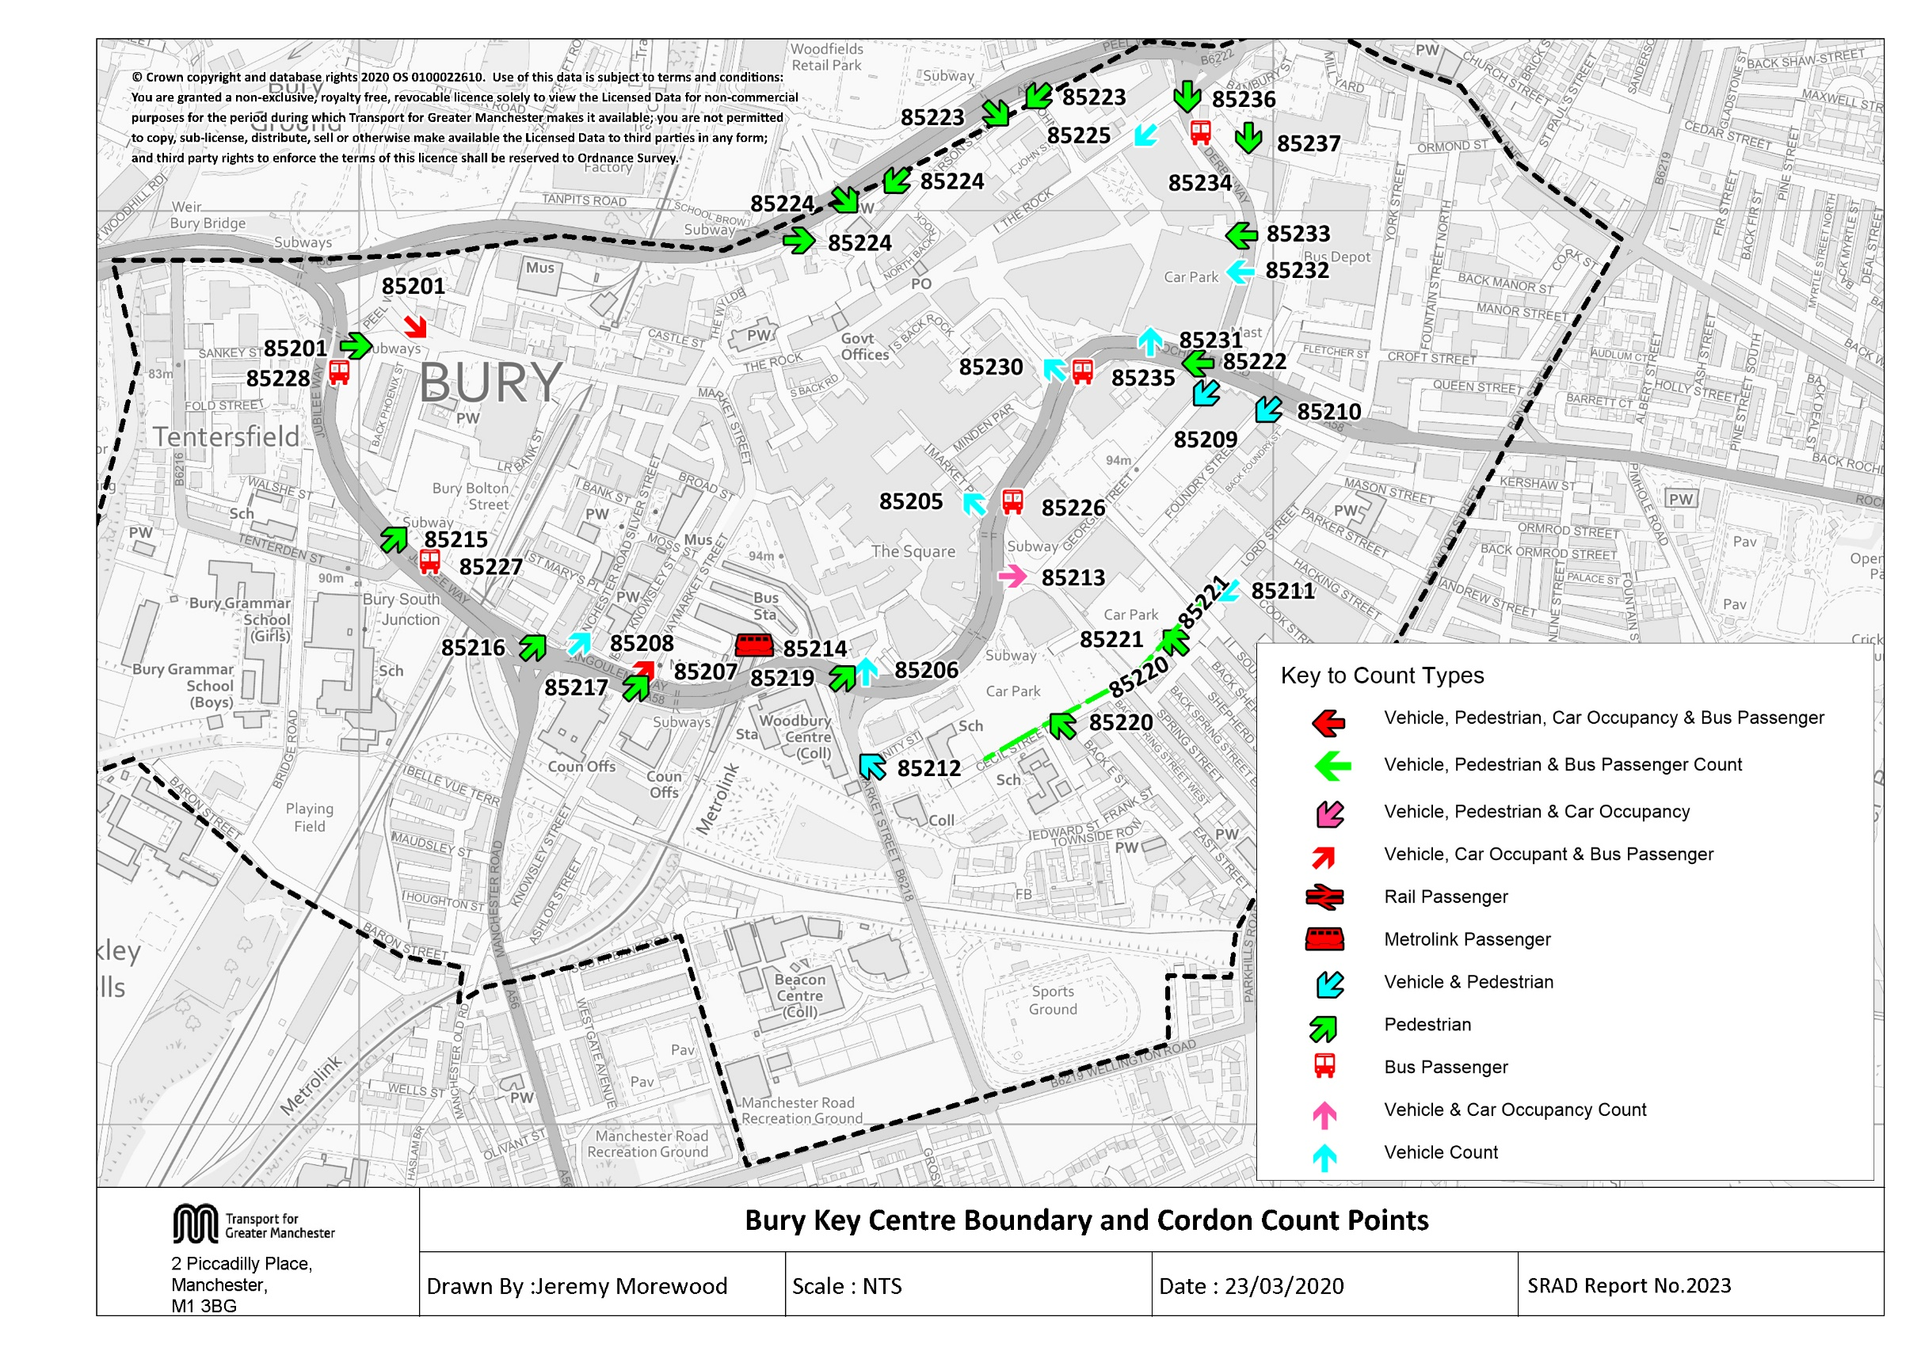

Tab 12 KC Traffic Trend
Table 12 Bury Key Centre Inbound Vehicles 1997, 1999, 2002, 2005, 2008, Feb 2010, Nov 2010, & 2011 - 2018
Time Period | Year | Cars | LGV | OGV | Buses | M/C | P/C | All | Time Period | Year | Cars | LGV | OGV | Buses | M/C | P/C | All
0730-0930 | 1997 | 3960 | 328 | 146 | 248 | 10 | 32 | 4724 | 1000-1200 | 1997 | 3551 | 332 | 149 | 265 | 13 | 15 | 4325
 | 1998 |  |  |  |  |  |  |  |  | 1998
 | 1999 | 3714 | 333 | 86 | 240 | 16 | 41 | 4430 |  | 1999 | 3504 | 357 | 105 | 240 | 9 | 11 | 4226
 | 2000 |  |  |  |  |  |  |  |  | 2000
 | 2001 |  |  |  |  |  |  |  |  | 2001
 | 2002 | 3733 | 293 | 69 | 237 | 23 | 18 | 4373 |  | 2002 | 3914 | 374 | 107 | 255 | 15 | 7 | 4672
 | 2003 |  |  |  |  |  |  |  |  | 2003
 | 2004 |  |  |  |  |  |  |  |  | 2004
 | 2005 | 3493 | 331 | 105 | 204 | 20 | 43 | 4196 |  | 2005 | 3551 | 394 | 86 | 222 | 9 | 21 | 4283
 | 2006 |  |  |  |  |  |  |  |  | 2006
 | 2007 |  |  |  |  |  |  |  |  | 2007
 | 2008 | 3693 | 320 | 128 | 211 | 24 | 70 | 4446 |  | 2008 | 3475 | 363 | 105 | 229 | 19 | 34 | 4225
 | 2009 |  |  |  |  |  |  |  |  | 2009
 | Feb-10 | 3286 | 281 | 99 | 192 | 8 | 65 | 3931 |  | Feb-10 | 3285 | 320 | 102 | 215 | 11 | 22 | 3955
 | Nov-10 | 3234 | 317 | 48 | 195 | 15 | 59 | 3868 |  | Nov-10 | 3554 | 351 | 82 | 214 | 8 | 33 | 4242
 | 2011 | 3367 | 242 | 71 | 197 | 15 | 63 | 3955 |  | 2011 | 3608 | 373 | 62 | 216 | 20 | 38 | 4317
 | 2012 | 3210 | 289 | 82 | 188 | 14 | 91 | 3874 |  | 2012 | 3677 | 312 | 74 | 210 | 6 | 37 | 4316
 | 2013 | 3146 | 284 | 52 | 181 | 11 | 90 | 3764 |  | 2013 | 3525 | 326 | 58 | 190 | 9 | 34 | 4142
 | 2014 | 3072 | 254 | 61 | 189 | 13 | 89 | 3678 |  | 2014 | 3672 | 313 | 85 | 210 | 13 | 51 | 4344
 | 2015 | 3117 | 241 | 64 | 193 | 13 | 78 | 3706 |  | 2015 | 3763 | 298 | 83 | 209 | 8 | 55 | 4416
 | 2016 | 3154 | 271 | 64 | 178 | 9 | 77 | 3753 |  | 2016 | 3621 | 302 | 96 | 191 | 9 | 41 | 4260
 | 2017 | 3390 | 275 | 67 | 185 | 9 | 89 | 4015 |  | 2017 | 3688 | 313 | 83 | 194 | 12 | 27 | 4317
 | 2018 | 3404 | 233 | 69 | 164 | 8 | 73 | 3951 |  | 2018 | 3941 | 319 | 75 | 173 | 9 | 30 | 4547
 | 2018/1997 | 0.86 | 0.71 | 0.47 | 0.66 | 0.80 | 2.28 | 0.84 |  | 2018/1997 | 1.11 | 0.96 | 0.50 | 0.65 | 0.69 | 2.00 | 1.05
Bury Key Centre Inbound Vehicle Counts
 | 0730-0930 | 1000-1200 | 1600-1800
1997 | 4724 | 4325 | 3978
1998
1999 | 4430 | 4226 | 3626
2000
2001
2002 | 4373 | 4672 | 3780
2003
2004
2005 | 4196 | 4283 | 3442
2006
2007
2008 | 4446 | 4225 | 3596
2009
40210 | 3931 | 3955 | 3370
40483 | 3868 | 4242 | 3909
2011 | 3955 | 4317 | 3858
2012 | 3874 | 4316 | 3928
2013 | 3764 | 4142 | 4053
2014 | 3678 | 4344 | 3905
2015 | 3706 | 4416 | 4186
2016 | 3753 | 4260 | 3804
2017 | 4015 | 4317 | 4282
2018 | 3951 | 4547 | 4221
1600-1800 | 1997 | 3424 | 190 | 70 | 247 | 22 | 25 | 3978
 | 1998
 | 1999 | 3076 | 232 | 34 | 238 | 15 | 31 | 3626
 | 2000
 | 2001
 | 2002 | 3264 | 220 | 43 | 222 | 17 | 14 | 3780
 | 2003
 | 2004
 | 2005 | 2976 | 239 | 15 | 184 | 9 | 19 | 3442
 | 2006
 | 2007
 | 2008 | 3082 | 216 | 30 | 198 | 9 | 61 | 3596
 | 2009
 | Feb-10 | 2894 | 185 | 40 | 200 | 13 | 38 | 3370
 | Nov-10 | 3417 | 240 | 13 | 183 | 7 | 49 | 3909
 | 2011 | 3350 | 219 | 20 | 196 | 14 | 59 | 3858
 | 2012 | 3436 | 224 | 26 | 186 | 11 | 45 | 3928
 | 2013 | 3521 | 232 | 12 | 183 | 23 | 82 | 4053
 | 2014 | 3399 | 216 | 25 | 182 | 13 | 70 | 3905
 | 2015 | 3709 | 205 | 19 | 183 | 11 | 59 | 4186
 | 2016 | 3348 | 197 | 16 | 168 | 7 | 68 | 3804
 | 2017 | 3801 | 193 | 18 | 185 | 13 | 72 | 4282
 | 2018 | 3775 | 203 | 16 | 161 | 8 | 58 | 4221
 | 2018/1997 | 1.10 | 1.07 | 0.23 | 0.65 | 0.36 | 2.32 | 1.06

Table 17 KC Car&Non-carTrip
Table 17 shows the number of trips into the key centre cordon, calculated from vehicle numbers and occupancy levels.

Car and Non-Car Trips into Bury Key Centre 0730-0930
 | Car | Bus | Walk | Metro | Cycle
2002 | 5189 | 2684 | 1849 | 746 | 18
2003
2004
2005 | 4681 | 3917 | 1726 | 858 | 43
2006
2007
2008 | 4690 | 3631 | 2262 | 953 | 70
Feb-2010 | 4535 | 2759 | 3756 | 1069 | 65
Nov-2010 | 4528 | 2703 | 2109 | 1172 | 59
2011 | 4680 | 2706 | 2507 | 1292 | 63
2012 | 4526 | 2427 | 2276 | 1253 | 91
2013 | 4530 | 2788 | 2341 | 1236 | 90
2014 | 4371 | 2631 | 2269 | 1511 | 89
2015 | 4462 | 2269 | 2105 | 1189 | 78
2016 | 4448 | 2752 | 2226 | 1375 | 77
*2017 | 4803 | 2810 | 2663 | 1310 | 89
2018 | 4788 | 1863 | 2305 | 1480 | 73
Table 17 Car and Non-Car Trips into Bury Key Centre
Time Period | Year | Car | Bus | Metro | Cycle | Walk | Total | % Car | % Non-Car
07:30-09:30 | 2002 | 5189 | 2684 | 746 | 18 | 1849 | 10486 | 49% | 51%
 | 2003
 | 2004
 | 2005 | 4681 | 3917 | 858 | 43 | 1726 | 11225 | 42% | 58%
 | 2006
 | 2007
 | 2008 | 4690 | 3631 | 953 | 70 | 2262 | 11606 | 40% | 60%
 | Feb-2010 | 4535 | 2759 | 1069 | 65 | 3756 | 12184 | 37% | 63%
 | Nov-2010 | 4528 | 2703 | 1172 | 59 | 2109 | 10571 | 43% | 57%
 | 2011 | 4680 | 2706 | 1292 | 63 | 2507 | 11248 | 42% | 58%
 | 2012 | 4526 | 2427 | 1253 | 91 | 2276 | 10573 | 43% | 57%
 | 2013 | 4530 | 2788 | 1236 | 90 | 2341 | 10985 | 41% | 59%
 | 2014 | 4371 | 2631 | 1511 | 89 | 2269 | 10871 | 40% | 60%
 | 2015 | 4462 | 2269 | 1189 | 78 | 2105 | 10103 | 44% | 56%
 | 2016 | 4448 | 2752 | 1375 | 77 | 2226 | 10879 | 41% | 59%
 | *2017 | 4803 | 2810 | 1310 | 89 | 2663 | 11617 | 41% | 59%
 | 2018 | 4788 | 1863 | 1480 | 73 | 2305 | 10509 | 46% | 54%
Car and Non-Car Trips into Bury Key Centre 10:00-12:00
 | Car | Bus | Walk | Metro | Cycle
2002 | 5675 | 2283 | 2642 | 493 | 7
2003
2004
2005 | 4794 | 2677 | 2676 | 513 | 21
2006
2007
2008 | 4726 | 3077 | 3801 | 672 | 34
Feb-2010 | 4698 | 2292 | 3704 | 671 | 22
Nov-2010 | 5189 | 2652 | 3876 | 764 | 33
2011 | 5304 | 3535 | 4300 | 959 | 38
2012 | 5442 | 2567 | 3535 | 876 | 37
2013 | 5217 | 2886 | 3935 | 929 | 34
2014 | 5503 | 2612 | 3811 | 747 | 51
2015 | 5479 | 2562 | 3717 | 860 | 55
2016 | 5252 | 2511 | 3703 | 891 | 41
*2017 | 5318 | 2450 | 3423 | 849 | 27
2018 | 5809 | 1960 | 3507 | 735 | 30
 | 2018/2002 | 0.92 | 0.69 | 1.98 | 4.06 | 1.25 | 1.00
10:00-12:00 | 2002 | 5675 | 2283 | 493 | 7 | 2642 | 11100 | 51% | 49%
 | 2003
 | 2004
 | 2005 | 4794 | 2677 | 513 | 21 | 2676 | 10681 | 45% | 55%
 | 2006
 | 2007
 | 2008 | 4726 | 3077 | 672 | 34 | 3801 | 12310 | 38% | 62%
 | Feb-2010 | 4698 | 2292 | 671 | 22 | 3704 | 11387 | 41% | 59%
 | Nov-2010 | 5189 | 2652 | 764 | 33 | 3876 | 12514 | 41% | 59%
 | 2011 | 5304 | 3535 | 959 | 38 | 4300 | 14136 | 38% | 62%
 | 2012 | 5442 | 2567 | 876 | 37 | 3535 | 12457 | 44% | 56%
 | 2013 | 5217 | 2886 | 929 | 34 | 3935 | 13001 | 40% | 60%
 | 2014 | 5503 | 2612 | 747 | 51 | 3811 | 12724 | 43% | 57%
 | 2015 | 5479 | 2562 | 860 | 55 | 3717 | 12673 | 43% | 57%
 | 2016 | 5252 | 2511 | 891 | 41 | 3703 | 12397 | 42% | 58%
 | *2017 | 5318 | 2450 | 849 | 27 | 3423 | 12127 | 44% | 56%
 | 2018 | 5809 | 1960 | 735 | 30 | 3507 | 12042 | 48% | 52%
 | 2018/2002 | 1.02 | 0.86 | 1.49 | 4.29 | 1.33 | 1.08
Car and Non-Car Trips into Bury Key Centre 16:00-18:00
 | Car | Bus | Walk | Metro | Cycle
2002 | 4831 | 1187 | 2433 | 772 | 14
2003
2004
2005 | 4256 | 1296 | 2940 | 952 | 19
2006
2007
2008 | 4161 | 1257 | 3693 | 803 | 61
Feb-2010 | 4167 | 1235 | 3688 | 762 | 38
Nov-2010 | 4681 | 1065 | 2846 | 737 | 49
2011 | 4724 | 1412 | 2683 | 807 | 59
2012 | 4707 | 1236 | 2751 | 1071 | 45
2013 | 5282 | 1484 | 4002 | 945 | 82
2014 | 5294 | 1271 | 3543 | 1038 | 70
2015 | 5305 | 1363 | 3138 | 1091 | 59
2016 | 4621 | 1245 | 2965 | 911 | 68
*2017 | 5650 | 1339 | 4180 | 1282 | 72
2018 | 5459 | 1081 | 3806 | 1327 | 58
16:00-18:00 | 2002 | 4831 | 1187 | 772 | 14 | 2433 | 9237 | 52% | 48%
 | 2003
 | 2004
 | 2005 | 4256 | 1296 | 952 | 19 | 2940 | 9463 | 45% | 55%
 | 2006
 | 2007
 | 2008 | 4161 | 1257 | 803 | 61 | 3693 | 9975 | 42% | 58%
 | Feb-2010 | 4167 | 1235 | 762 | 38 | 3688 | 9890 | 42% | 58%
 | Nov-2010 | 4681 | 1065 | 737 | 49 | 2846 | 9378 | 50% | 50%
 | 2011 | 4724 | 1412 | 807 | 59 | 2683 | 9685 | 49% | 51%
 | 2012 | 4707 | 1236 | 1071 | 45 | 2751 | 9810 | 48% | 52%
 | 2013 | 5282 | 1484 | 945 | 82 | 4002 | 11795 | 45% | 55%
 | 2014 | 5294 | 1271 | 1038 | 70 | 3543 | 11216 | 47% | 53%
 | 2015 | 5305 | 1363 | 1091 | 59 | 3138 | 10956 | 48% | 52%
 | 2016 | 4621 | 1245 | 911 | 68 | 2965 | 9810 | 47% | 53%
 | *2017 | 5650 | 1339 | 1282 | 72 | 4180 | 12429 | 45% | 55%
 | 2018 | 5459 | 1081 | 1327 | 58 | 3806 | 11732 | 47% | 53% | 53%
 | 2018/2002 | 1.13 | 0.91 | 1.72 | 4.14 | 1.56 | 1.27

*NB: Bus occupancy data was found to be unreliable at 2 of the 7 sites surveyed in 2017 - the data for these sites was substituted with data derived from the 2016 surveys.

